BMO Data Info
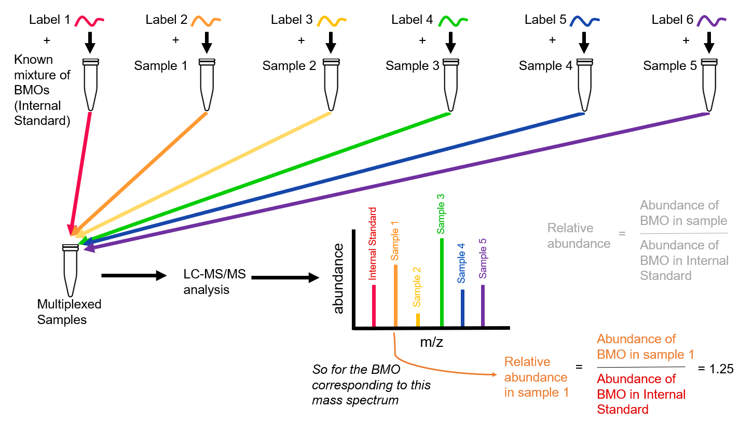
Biological Sample Origin: Milk
Instrumental Analysis: Tandem Mass Tag-labeled nano Liquid Chromatography chip Quadrupole Time-of-Flight Mass Spectrometry
- Samples from consecutive days within the same period were pooled prior to BMO extraction and analysis
Abbreviations Used:
- NA = used for BMOs that fell below the limit of quantification for a BMO
- SL = sialyllactose
- BMO = bovine milk oligosaccharide
- BMOs are described by their monosaccharide composition as the number of
Hexose_N-Acetylhexosamine_Fucose_N-Acetylneuraminic Acid_N-Glycolylneuraminic Acid isomer #
Metadata Terms:
(I have not observed any effect of batch, label, or label lot. I've seen some effect of multiplex for some BMOs, but none that was consistent across several BMOs)
- Batch = grouping of samples during sample preparation and BMO extraction
- Multiplex = pooling of samples after labeling, for sample injection (see diagram)
- Label = tandem mass tag added to BMOs to allow differentiation after multiplexing
- Label Lot # = production lot for the tandem mass tags used for labeling
Units: Relative abundance (same units for all BMOs)
- calculated as the abundance of a BMO in a sample dividided by the abundance of that BMO in a known mixture of BMOs in the same multilpex acting as an "internal standard." The known mixture of BMOs is the same in each multiplex. (see diagram)

